Sheet1
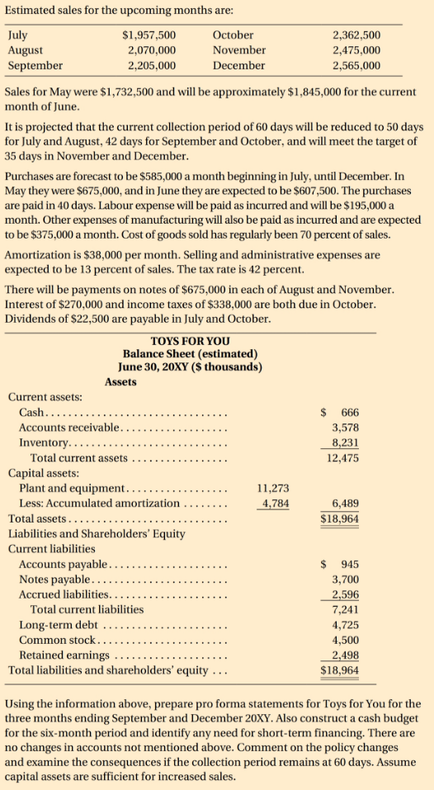

 | Sales (Estimated) | Collection Period | Purchases | Labour | Others | COGS (70% sales) | Amortization | Selling & Admin Expenses (13% Sales) | Tax rate (42%) | Payments on Notes | Interest | Income Tax | Dividends
May | $1,732,500 |  | $675,000 | $195,000 | $375,000 | $1,212,750.0 | $38,000 | $225,225.00
June | $1,845,000 | 60 days | $607,500 | $195,000 | $375,000 | $1,291,500.0 |  | $239,850.00
July | $1,957,500 | 50 days | $585,000 | $195,000 | $375,000 | $1,370,250.0 |  | $254,475.00 |  |  |  |  | $22,500
August | $2,070,000 | 50 days | $585,000 | $195,000 | $375,000 | $1,449,000.0 |  | $269,100.00 |  | $675,000
September | $2,205,000 | 42 days | $585,000 | $195,000 | $375,000 | $1,543,500.0 |  | $286,650.00
October | $2,362,500 | 42 days | $585,000 | $195,000 | $375,000 | $1,653,750.0 |  | $307,125.00 |  |  | $270,000 | $338,000 | $22,500
November | $2,475,000 | 35 days | $585,000 | $195,000 | $375,000 | $1,732,500.0 |  | $321,750.00 |  | $675,000
December | $2,565,000 | 35 days | $585,000 | $195,000 | $375,000 | $1,795,500.0 |  | $333,450.00

TOYS FOR YOU
Balance Sheet (estimated)
June 30, 20XY ($thousands)

Assets

Current Assets:
Cash |  | 666
Accounts Receivable |  | 3578
Inventory |  | 8231
Total current assets |  | 12475
Capital assets:
Plant and equipment | 11273
Less: Accumulated amortization | 4784 | 6489
Total assets |  | 18964

Liabilities and Shareholders Equity
Current Liabilities
Accounts Payable |  | 945
Notes payable |  | 3700
Accrued liabilities |  | 2596
Total current liabilities |  | 7241
Long-term debt |  | 4725
Common stock |  | 4500
Retained earnings |  | 2498
Total liabilities and shareholders equity |  | 18964

